Sheet1
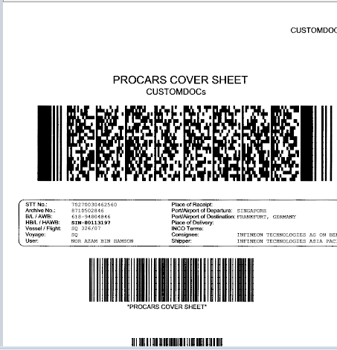
Invalid File Names | Rename File |  |  |  |  |  | View
S%N-80113197_CUSTOM DOCs_20150901_131216.TIFF | S%N-80113197_CUSTOM DOCs_20150901_131216.TIFF
SfN-80113197_HAWB.TIFF
SIN-80113197_C0MMWDE____.TIFF | Correct AWB number |  |  | DocType | Date | Time
S%N-123456_CUSt_49594.TIFF | SIN | - | 80113197 | CUSTOMDOCs | 20150901 | 131216
S%N-11113197_HW_______.TIFF
S1N-80113137_CUSTOM DOCs.TIFF | Correct Document Type
12343245676.TIF | CUSTOMDOCs
12343245677.TIF
Once file name is selected,
It will be highlighted, a preview of file will be displayed
12343245678.TIF
12343245679.TIF
12343245680.TIF
12343245681.TIF
Once detele file is clicked,
A message will be displayed:
To confirm deletion (Yes / No)
Once sucessfully deleted, the file name will disappear from the left file name panel
12343245685.TIF

Once save is clicked,
A message will be displayed:
Successful or Failed
Once successfully saved, the file name will disappear from the left file name panel

